Life Insurance
Hub: Life Insurance
Page Name | Level | URL | Notes/ Page Description | Recommendation | Long-term Recommendation | Other Observations | Screenshot | Screenshot #2 | Screenshot #3
Veterans’ Group Life Insurance (VGLI) Premium Rates? | N/A | https://www.va.gov/life-insurance/options-eligibility/vgli/ |  | Not Level 4 page; possible bug found. Link seems wrong. See Observations and screenshot info. |  | Premium rates link is accessible from https://www.va.gov/life-insurance/options-eligibility/vgli/. But clicking the link takes user to same page: https://www.va.gov/life-insurance/options-eligibility/vgli/ | 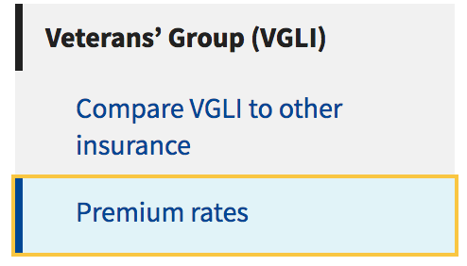
Totally disabled or terminally ill policyholders | N/A | https://www.va.gov/life-insurance/totally-disabled-or-terminally-ill/ |  | Not Level 4 page; possible bug found. Link seems wrong. See Observations and screenshot info. |  | The link in the screeshot takes the user to the second inserted screenshot. However, there doesn't seem to be relevant info re: SGLI disablility extension. Seems like it should go here (3rd screenshot): https://www.va.gov/life-insurance/options-eligibility/sgli/#can-i-get-a-free-extension-of- | 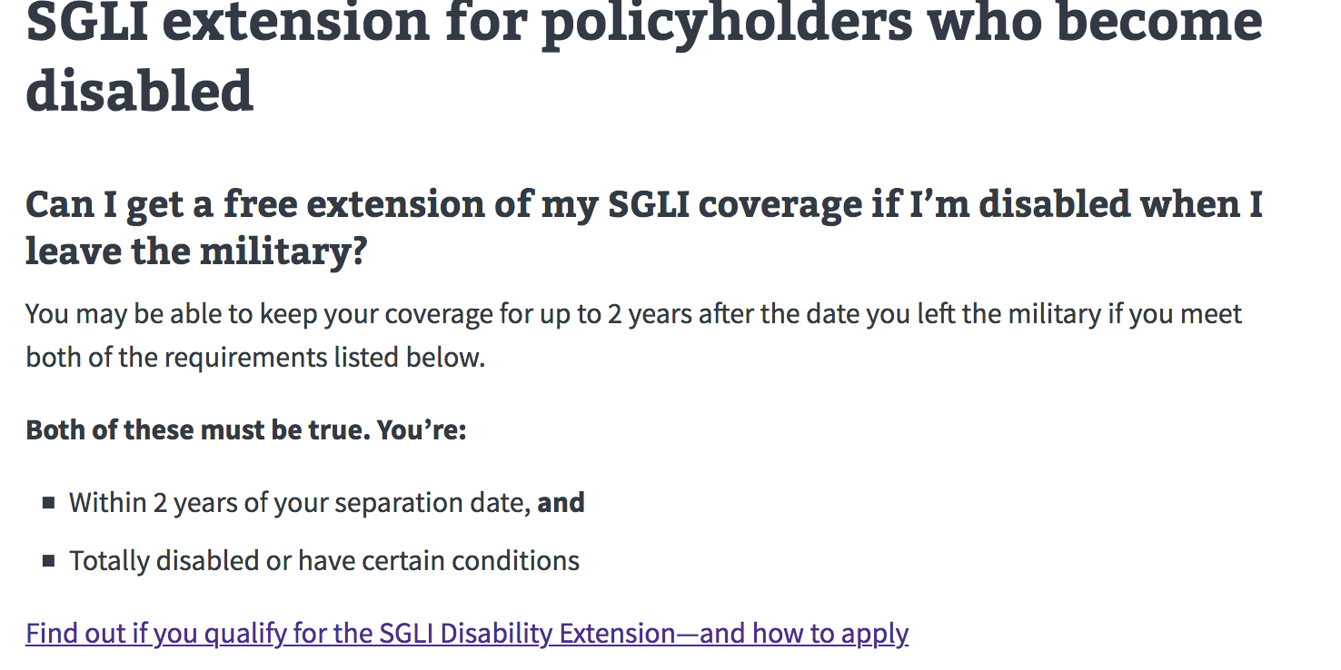 | 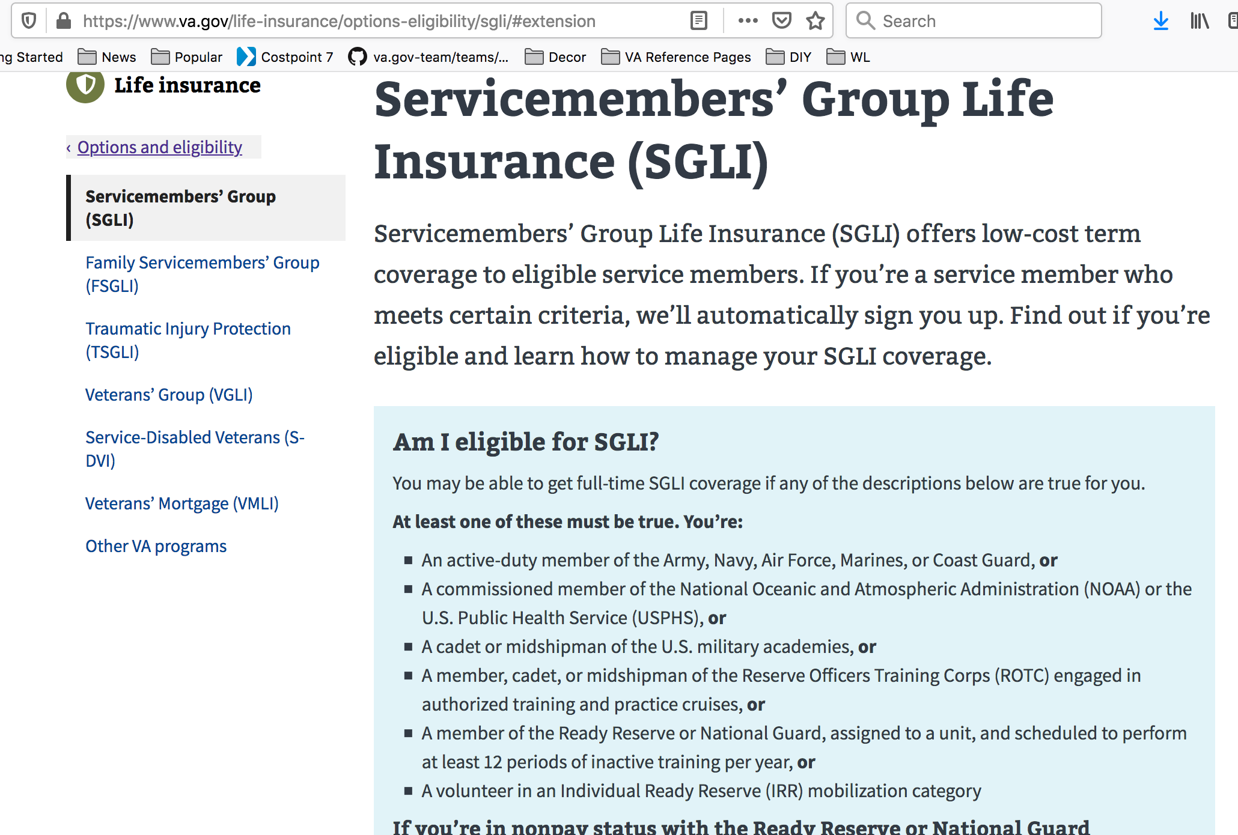 | 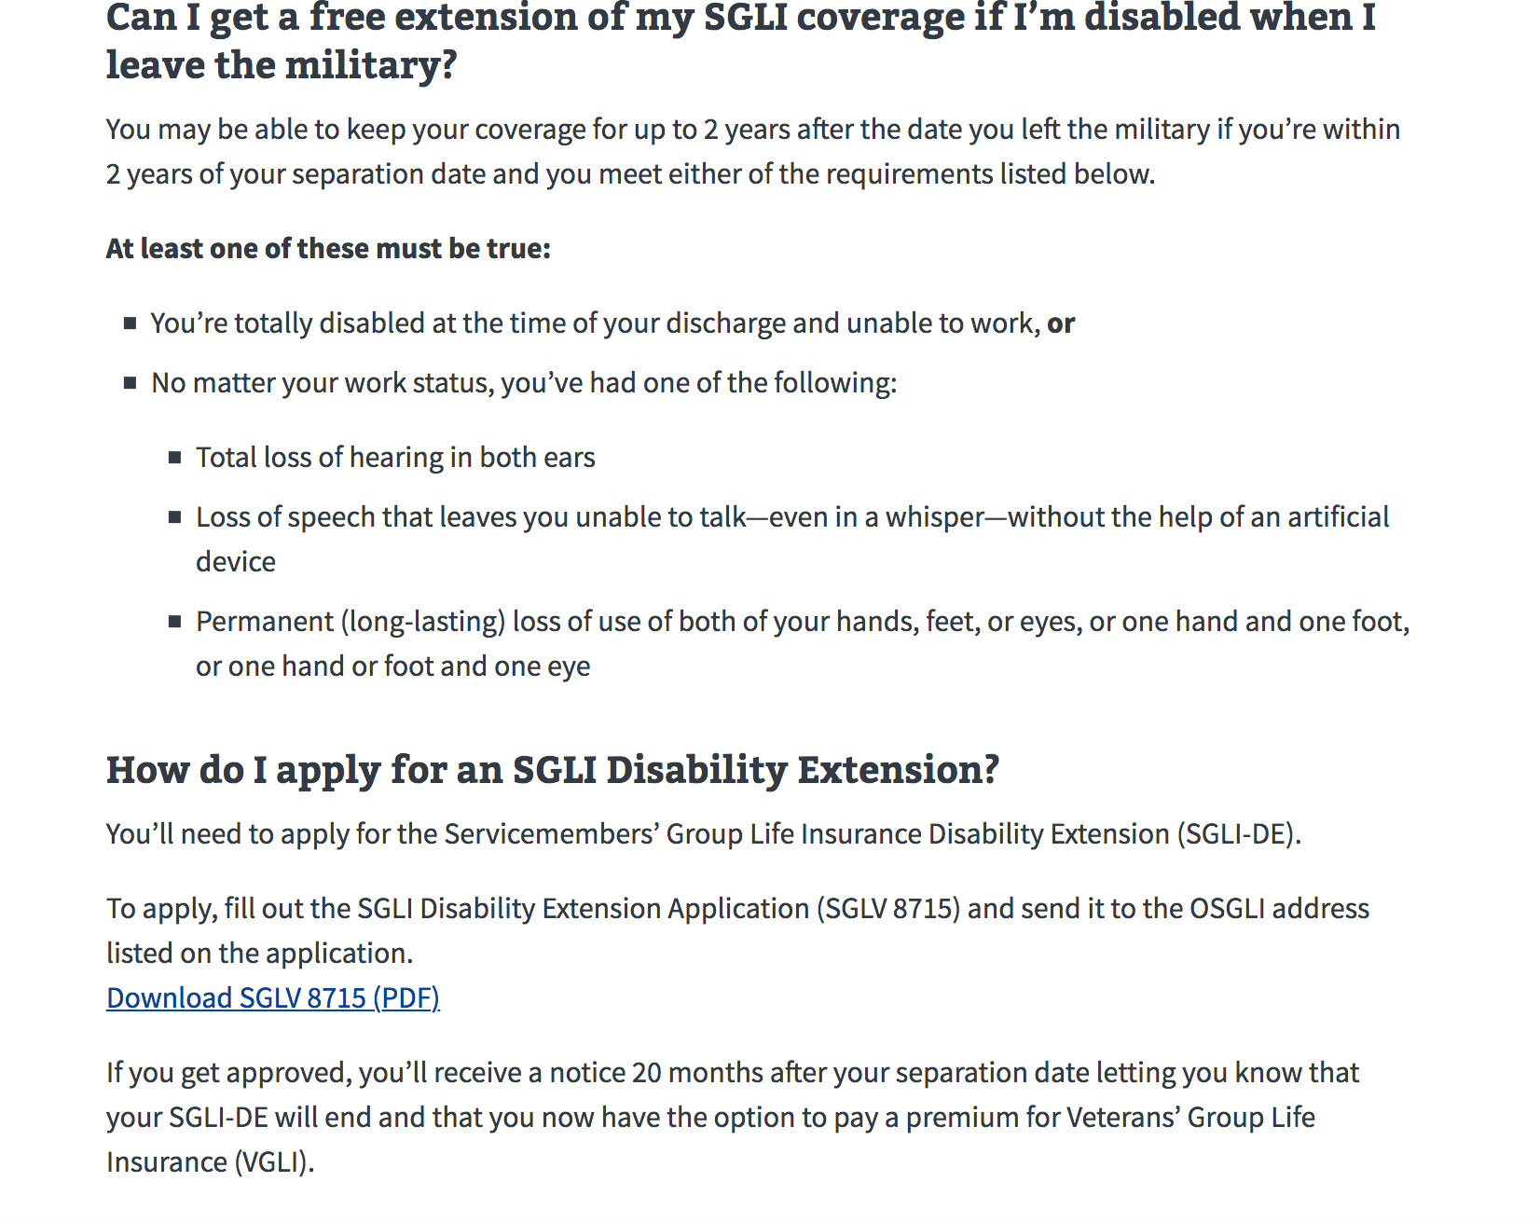

Health Care
Hub: Health Care
Page Name | Level | URL | Notes/ Page Description | Recommendation | Long-term Recommendation | Other Observations | Screenshots (if applicable)
VA blind and low vision rehabilitation services | 4 | va.gov/health-care/about-va-health-benefits/vision-care/blind-low-vision-rehab-services | Learn about VA benefits for Veterans who are blind or have low vision. Benefits include blind rehabilitation services at VA blind rehab centers. | Move/Use vision care page link in the "Get VA Health Care" section or"More information and resources" section on the main health care page.
Operation Enduring Freedom Veterans health issues | 4 | va.gov/health-care/health-needs-conditions/health-issues-related-to-service-era/operation-enduring-freedom | If you're a Veteran of Operation Enduring Freedom (OEF) in Afghanistan, learn about health issues that may be related to your service. Find out what steps to take to care for your health and whether you may be eligible for VA health care and disability compensation. | Perhaps make "Health issues related to service era" on the same level as "Health neeeds and conditions on the left nav. So it would be: va.gov/health-care/health-issues-related-to-service-era/...
Iraq War Veterans health issues | 4 | va.gov/health-care/health-needs-conditions/health-issues-related-to-service-era/iraq-war | Learn about Iraq War Veterans health issues related to service in Operation Iraqi Freedom and Operation New Dawn (OIF/OND). Find out what steps to take to care for your health and whether you may be eligible for VA health care and disability compensation. | Perhaps make "Health issues related to service era" on the same level as "Health neeeds and conditions on the left nav. So it would be: va.gov/health-care/health-issues-related-to-service-era/...
Gulf War Veterans health issues | 4 | va.gov/health-care/health-needs-conditions/health-issues-related-to-service-era/gulf-war | Learn about Gulf War Veterans illnesses and other health problems related to service in Operation Desert Shield and Desert Storm. Find out what steps to take to care for your health and whether you may be eligible for VA health care and disability compensation. | Perhaps make "Health issues related to service era" on the same level as "Health neeeds and conditions on the left nav. So it would be: va.gov/health-care/health-issues-related-to-service-era/...
Cold War Veterans health issues | 4 | va.gov/health-care/health-needs-conditions/health-issues-related-to-service-era/cold-war | Learn about health issues that may affect Cold War Veterans. Find out what steps to take to care for your health and whether you may be eligible for VA health care and disability compensation. | Perhaps make "Health issues related to service era" on the same level as "Health neeeds and conditions on the left nav. So it would be: va.gov/health-care/health-issues-related-to-service-era/...
Vietnam War Veterans health issues | 4 | va.gov/health-care/health-needs-conditions/health-issues-related-to-service-era/vietnam-war | Learn about diseases and other health issues that may affect Vietnam War Veterans. Find out what steps to take to care for your health and whether you may be eligible for VA health care and disability compensation. | Perhaps make "Health issues related to service era" on the same level as "Health neeeds and conditions on the left nav. So it would be: va.gov/health-care/health-issues-related-to-service-era/...
Korean War Veterans health issues | 4 | va.gov/health-care/health-needs-conditions/health-issues-related-to-service-era/korean-war | Learn about diseases and other health issues that may affect Korean War Veterans. Find out what steps to take to care for your health and whether you may be eligible for VA health care and disability compensation. | Perhaps make "Health issues related to service era" on the same level as "Health neeeds and conditions on the left nav. So it would be: va.gov/health-care/health-issues-related-to-service-era/...
World War II Veterans health issues | 4 | va.gov/health-care/health-needs-conditions/health-issues-related-to-service-era/world-war-ii | Learn about diseases and other health issues that may affect World War 2 Veterans. Find out what steps to take to care for your health and whether you may be eligible for VA health care and disability compensation. | Perhaps make "Health issues related to service era" on the same level as "Health neeeds and conditions on the left nav. So it would be: va.gov/health-care/health-issues-related-to-service-era/...
PTSD treatment | 4 | va.gov/health-care/health-needs-conditions/mental-health/ptsd | VA is the world leader in PTSD treatment, serving millions of Veterans. Find out how to get help to manage your posttraumatic stress disorder symptoms. Whether you just returned from a deployment or have been home for 40 years, it’s never too late. | Link directly from "How do I find out how to get health services for a specific condition or need?" section of this page: https://www.va.gov/health-care/health-needs-conditions/
Depression treatment for Veterans | 4 | va.gov/health-care/health-needs-conditions/mental-health/depression | If you're a Veteran living with depression, find out how to get help through VA. You may be able to get access to health services as well as VA disability compensation. | Link directly from "How do I find out how to get health services for a specific condition or need?" section of this page: https://www.va.gov/health-care/health-needs-conditions/
Apply for health care benefits | 4 | https://www.va.gov/health-care/apply/application/introduction | Equal to VA Form 10-10EZ (Application for Health Benefits). | Change the URL similar to: https://www.va.gov/disability/file-disability-claim-form-21-526ez/introduction. So, it would look something like:/health-care/apply-for-health-care-benefits-form-10-10ez/introduction
VA Dental Insurance Program (VADIP) | 4 | https://www.va.gov/health-care/about-va-health-benefits/dental-care/dental-insurance/ | The VA Dental Insurance Program (VADIP) offers discounted private dental insurance for Veterans and family members who meet certain requirements. Find out if you're eligible, and how to enroll in a plan that meets your needs and budget. | Move dental care page to "Get VA Health Care" section or have a direct link from "More information and resources" section on the main health care page. |  | The link for "Learn more about VADIP" on https://www.va.gov/health-care/about-va-health-benefits/dental-care/ takes user to legacy page instead of the new URL listed in this row. | 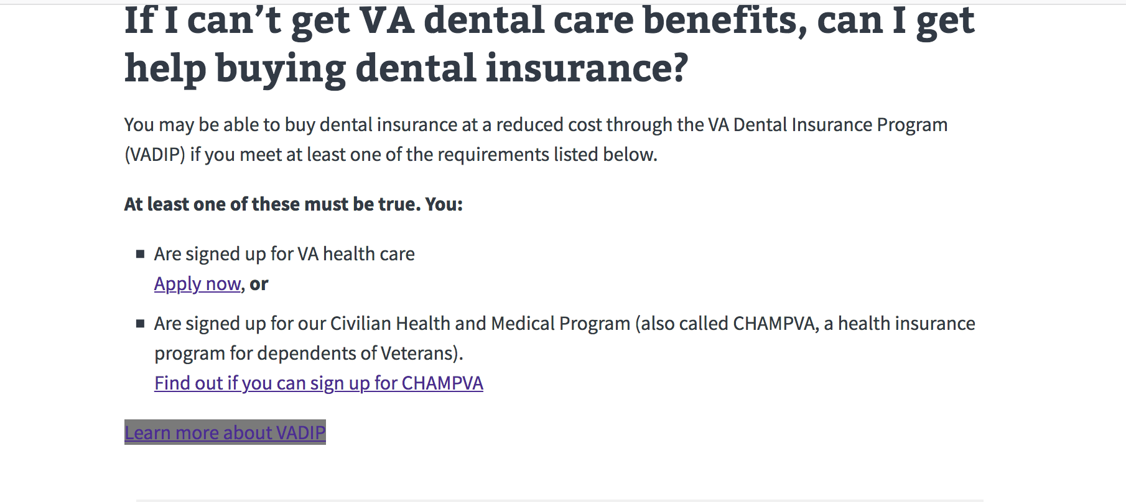
PTSD treatment | 5 | https://www.va.gov/health-care/health-needs-conditions/mental-health/ptsd/#no-benefits | VA is the world leader in PTSD treatment, serving millions of Veterans. Find out how to get help to manage your posttraumatic stress disorder symptoms. Whether you just returned from a deployment or have been home for 40 years, it’s never too late. | Technically, this should be a level 4 page but the "/#no-benefits" at the end of the url made it a level 5 page.
VA mental health services | 4 | https://www.va.gov/health-care/health-needs-conditions/mental-health/#no-benefits | Find out how to access VA mental health services for posttraumatic stress disorder (PTSD), psychological effects of military sexual trauma (MST), depression, grief, anxiety, and other needs. You can use some services even if you’re not enrolled in VA health care. | Technically, this should be a level 3 page but the "/#no-benefits" at the end of the url made it a level 4 page.
Veteran suicide prevention | 4 | https://www.va.gov/health-care/health-needs-conditions/mental-health/suicide-prevention/ | If you’re a Veteran in a mental health crisis and you’re thinking about hurting yourself—or you know a Veteran who’s considering this—act now. You’re not alone, and you can get help. | Link directly from "How do I find out how to get health services for a specific condition or need?" section of this page: https://www.va.gov/health-care/health-needs-conditions/

Burials
Hub: Burials
Page Name | Level | URL | Notes/ Page Description | Recommendation | Long-term Recommendation | Other Observations | Screenshots (if applicable)
Apply for pre-need eligibility determination | 4 | https://www.va.gov/burials-and-memorials/pre-need/form-10007-apply-for-eligibility/introduction | Equal to VA Form 40-10007 (Application for Pre-Need Determination of Eligibility for Burial in a VA National Cemetery). | Is the introduction level necessary even though we consistently use it on most form URL paths? Directly link to the page from the "Get Veterans burials benefits" section of: https://www.va.gov/burials-memorials/ Possibly remove the "/pre-need/" level like the form in line 3.
Pre-need eligibility for burial in a VA cemetery (FAQ link) | NA | https://www.va.gov/burials-memorials/pre-need-eligibility/ | You can apply to find out in advance if you can be buried in a VA national cemetery. This is called a pre-need determination of eligibility—and it can help make the burial planning process easier for your family members in their time of need. Follow the steps below to apply. |  |  | FAQ link on left nav does not work. It just redirects back to: https://www.va.gov/burials-memorials/pre-need-eligibility/ Possibly remove from left nav until content is included | 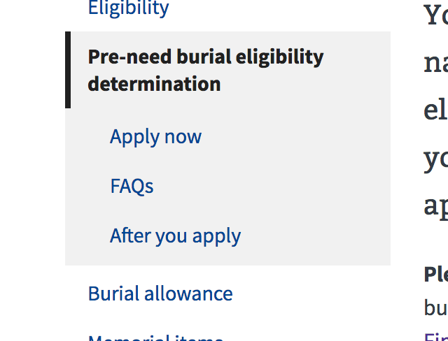
Apply for burial benefits | 4 | https://www.va.gov/burials-and-memorials/application/530/introduction | Equal to VA Form 21P-530 (Application for Burial Benefits). | Change url to: https://www.va.gov/burials-and-memorials/form-21p-530-apply-for-burials-benefits/introduction

